control
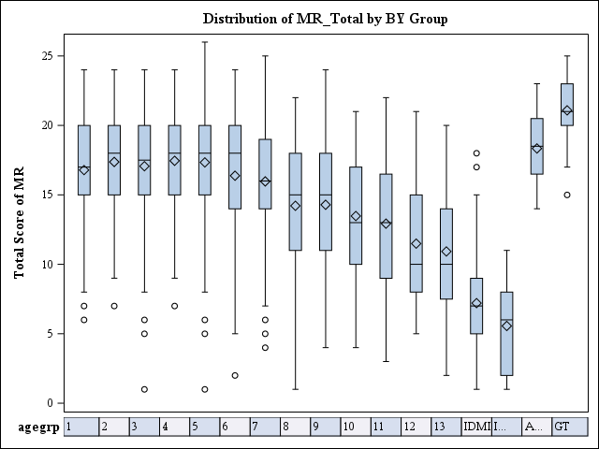
Observed and Predicted mean for mrtot

type | order | _1 | _2 | _3 | _4 | _5 | _6 | _7 | _8 | _9 | _10 | _11 | _12 | _13
Obs | . | 16.788888889 | 17.311111111 | 17.066666667 | 17.327777778 | 17.272222222 | 16.383333333 | 15.972222222 | 14.188888889 | 14.288888889 | 13.48 | 12.93 | 11.44 | 10.72
Pred | 2 | 17.1181 | 17.1349 | 17.1364 | 17.0771 | 16.9453 | 16.612 | 15.9141 | 14.9267 | 13.996 | 13.2851 | 12.5018 | 11.6461 | 10.6212

Observed and Predicted stddev for mrtot

type | order | _1 | _2 | _3 | _4 | _5 | _6 | _7 | _8 | _9 | _10 | _11 | _12 | _13
Obs | . | 3.5783159625 | 3.7718286674 | 3.6702031363 | 3.5545714614 | 4.1505610519 | 4.261396157 | 4.0574513226 | 4.531440617 | 4.2904192199 | 4.29112309 | 4.6237310572 | 4.2576609503 | 4.0528827501
Pred | 2 | 3.5527 | 3.6197 | 3.7301 | 3.8726 | 3.9975 | 4.1514 | 4.2944 | 4.3663 | 4.3736 | 4.3562 | 4.321 | 4.2681 | 4.1894

Observed and Predicted skew for mrtot

type | order | _1 | _2 | _3 | _4 | _5 | _6 | _7 | _8 | _9 | _10 | _11 | _12 | _13
Obs | . | -0.692542176 | -0.606222875 | -0.91624392 | -1.042943174 | -1.125960104 | -0.862556305 | -0.48456329 | -0.513523535 | -0.275540292 | -0.117676812 | 0.0074554795 | 0.4103225894 | 0.4025763767
Pred | 3 | -0.6948 | -0.7621 | -0.8555 | -0.9389 | -0.9691 | -0.9284 | -0.7463 | -0.4642 | -0.217 | -0.0471 | 0.1196 | 0.2769 | 0.4316

Power | 2 | 2 | 3
MR | Mean | SD | Skew
1 | 17.1181 | 3.5527 | -0.6948
2 | 17.1349 | 3.6197 | -0.7621
3 | 17.1364 | 3.7301 | -0.8555
4 | 17.0771 | 3.8726 | -0.9389
5 | 16.9453 | 3.9975 | -0.9691
6 | 16.612 | 4.1514 | -0.9284
7 | 15.9141 | 4.2944 | -0.7463
8 | 14.9267 | 4.3663 | -0.4642
9 | 13.996 | 4.3736 | -0.217
10 | 13.2851 | 4.3562 | -0.0471
11 | 12.5018 | 4.321 | 0.1196
12 | 11.6461 | 4.2681 | 0.2769
13 | 10.6212 | 4.1894 | 0.4316

WAIS5, 2/16/2024

chart1
WAIS5, MR
 | ss1 | ss2 | ss3 | ss4 | ss5 | ss6 | ss7 | ss8 | ss9 | ss10 | ss11 | ss12
0 | 1 | 1 | 1 | 1 | 1 | 1 | 1 | 1 | 1 | 1 | 1 | 1
1 | 1 | 1 | 1 | 1 | 1 | 1 | 1 | 2 | 2 | 2 | 2 | 2
2 | 1 | 1 | 1 | 1 | 1 | 1 | 2 | 2 | 2 | 2 | 2 | 2
3 | 2 | 2 | 2 | 2 | 2 | 2 | 2 | 3 | 3 | 3 | 3 | 3
4 | 2 | 2 | 2 | 2 | 2 | 2 | 3 | 3 | 3 | 4 | 4 | 4
5 | 2 | 2 | 2 | 2 | 3 | 3 | 3 | 4 | 4 | 4 | 4 | 4
6 | 3 | 3 | 3 | 3 | 3 | 3 | 4 | 4 | 4 | 5 | 5 | 5
7 | 3 | 3 | 3 | 3 | 4 | 4 | 4 | 5 | 5 | 5 | 6 | 6
8 | 4 | 4 | 4 | 4 | 4 | 4 | 5 | 5 | 6 | 6 | 7 | 7
9 | 4 | 4 | 4 | 4 | 5 | 5 | 5 | 6 | 7 | 7 | 7 | 8
10 | 5 | 5 | 5 | 5 | 5 | 6 | 6 | 7 | 7 | 8 | 8 | 9
11 | 5 | 5 | 5 | 6 | 6 | 7 | 7 | 7 | 8 | 8 | 9 | 10
12 | 6 | 6 | 6 | 6 | 7 | 7 | 7 | 8 | 8 | 9 | 10 | 10
13 | 7 | 7 | 7 | 7 | 7 | 8 | 8 | 9 | 9 | 10 | 10 | 11
14 | 7 | 7 | 7 | 7 | 8 | 8 | 9 | 9 | 10 | 10 | 11 | 12
15 | 8 | 8 | 8 | 8 | 8 | 9 | 9 | 10 | 10 | 11 | 12 | 13
16 | 9 | 9 | 9 | 9 | 9 | 10 | 10 | 11 | 11 | 12 | 12 | 13
17 | 10 | 10 | 10 | 10 | 10 | 10 | 11 | 12 | 12 | 13 | 13 | 14
18 | 10 | 10 | 10 | 10 | 10 | 11 | 12 | 13 | 13 | 13 | 14 | 15
19 | 11 | 11 | 11 | 11 | 11 | 12 | 13 | 13 | 13 | 14 | 15 | 16
20 | 12 | 12 | 12 | 12 | 12 | 13 | 13 | 14 | 14 | 15 | 15 | 16
21 | 13 | 13 | 13 | 13 | 13 | 14 | 14 | 15 | 15 | 16 | 16 | 17
22 | 14 | 14 | 14 | 14 | 14 | 15 | 15 | 16 | 16 | 17 | 17 | 18
23 | 15 | 15 | 15 | 15 | 15 | 16 | 16 | 16 | 17 | 17 | 18 | 18
24 | 16 | 16 | 16 | 16 | 17 | 17 | 17 | 17 | 18 | 18 | 18 | 19
25 | 17 | 17 | 17 | 17 | 18 | 18 | 18 | 18 | 18 | 19 | 19 | 19
26 | 19 | 19 | 19 | 19 | 19 | 19 | 19 | 19 | 19 | 19 | 19 | 19

